Sheet1
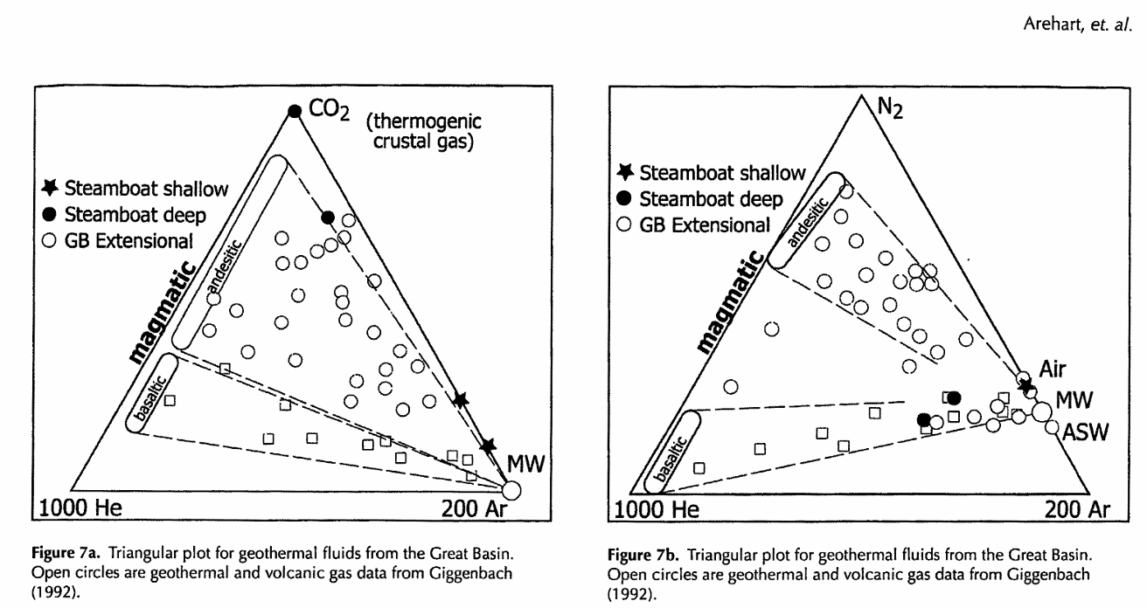
 |  |  | NORMALIZED COMPLETE DRY GAS COMPOSITION (MOL%) |  |  |  |  |  |  |  |  |  | C-Isotope |  | Noble Gas Ratios
Site name |  | Site ID | CO2 | He | H2 | Ar | O2 | N2 | CH4 | CO | H2S | Total | d13C | ± | 3He/4He (r/ra) | 4He/20Ne | 20Ne/22Ne | 21Ne/22Ne | 40Ar/36Ar | x-value | rc/ra
SteamBoat |  | NV26-1 | 49.983 | 0.005 | 0.101 | 0.562 | 11.027 | 36.469 | 0.014 | 0.008 | 1.832 | 100 | -8.28 | 0.28 | 5.99 | 8.94 | 10.16 | 0.03 | 287.08 | 34.28 | 6.14
SteamBoat |  | NV26-2 | 4.382 | 0.017 | 0.607 | 1.248 | 21.343 | 70.665 | 0.992 | 0.605 | 0.139 | 100 | -9.49 | 0.49 | 5.87 | 10.60 | 10.11 | 0.03 | 295.02 | 40.63 | 6.00 | 2nd bottle may have leaked during giggenbach sampling
SteamBoat |  | NV26-3 | 2.962 | 0.016 | 0.232 | 1.055 | 13.314 | 82.394 | 0.021 | 0.003 | 0.003 | 100 | -9.161 | 0.32 | 5.60 | 7.57 | 9.93 | 0.03 | 297.95 | 29.04 | 5.76

Gas chemistry analyzed in Fischer's Volatiles Lab at UCSB using GC and QMS. C isotopes analyzed in Fischer's Volatiles Lab using Picarro. Noble gases analyzed in P. Barry's lab at WHOI.
H2S valus are from directly field measured H2S/CO2 ratios using multiGAS system
Samples collected by T. Fischer and K. Mtili with P. Ruprecht. |  |  |  |  |  |  |  | GC SE ~ 2% |  |  |  |  |  |  |  |  |  |  | notes
 |  |  |  |  |  |  |  |  |  |  |  | New |  |  |  |  |  |  | mantle crustal contribution but more air mixing into the chemistry
Field Data |  |  |  |  |  |  |  |  |  |  |  | Karim plot: |  | red=steamboat points |  |  |  |  | n2 comes from subducting slab, diff for subduction vs rift settings
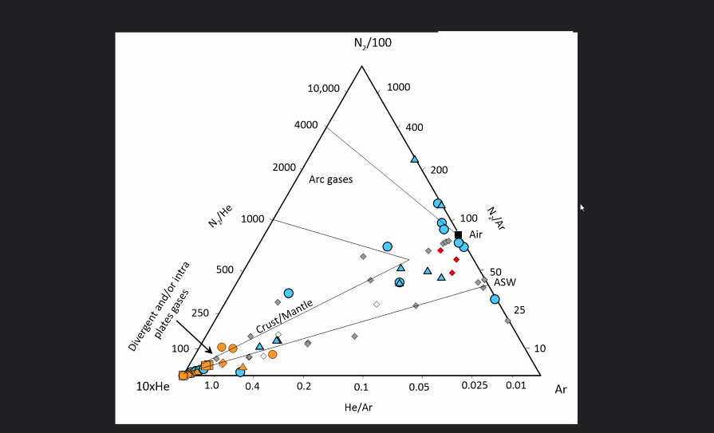
Site name | Site ID | Collection Date | Elev. (m) | Latitude | Longitude | Temp (C) |  |  |  |  |  |  |  |  |  |  |  |  | He/Ar doesn't distinguish but He isotopes distinguish mantle component, what is expected for subcontinental lithosphere
 |  |  |  |  |  |  |  |  |  |  |  |  |  |  |  |  |  |  | He isotopes indicate mantle regime s n2 rich component (makes since)
SteamBoat | NV26-1 | 2026-04-29 | 1405 | 39.382222° | -119.740556° | 99.5
SteamBoat | NV26-2 | 2026-04-30 | 1404 | 39.382778° | -119.740278° | 96
SteamBoat | NV26-3 | 2026-04-30 | 1415 | 39.379722° | -119.742500° | 96 |  |  |  |  |  |  |  |  |  |  |  |  | assume all oxygen is from air, subtract air component, n2, ar, methane, co, h would remain the same
 |  |  |  |  |  |  |  |  |  |  |  |  |  |  |  |  |  |  | while he and Ne don't show air component, just o from giggenbach bottle leaking
 |  |  |  |  |  |  |  |  |  |  |  |  |  |  |  |  |  |  | hotter gas geothermometry of than liquid samples

 |  |  |  |  |  |  |  |  |  |  |  | Previous:
 |  |  |  |  |  |  |  |  |  |  |  | Arehart et al., 2013:

